Energy_item
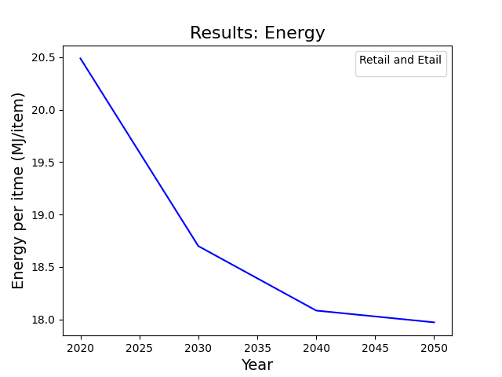
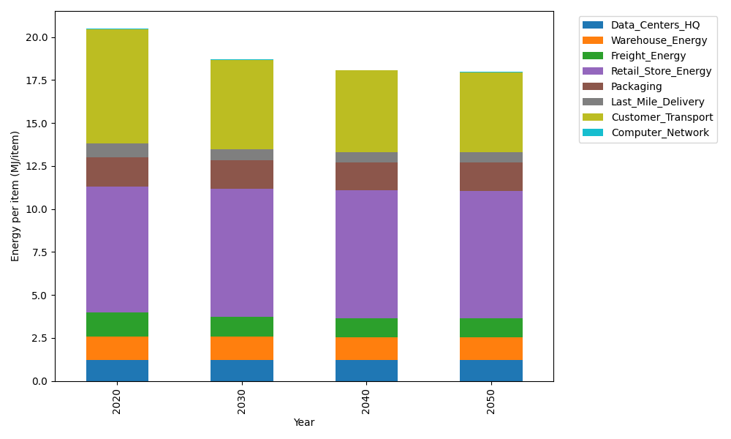
Years | Data_Centers_HQ | Warehouse_Energy | Freight_Energy | Retail_Store_Energy | Packaging | Last_Mile_Delivery | Customer_Transport | Computer_Network | Total
2020 | 1.2375340228 | 1.341828113 | 1.4131276723 | 7.303443316 | 1.6945042387 | 0.81909198453 | 6.6361891406 | 0.043136287064 | 20.488854775
2030 | 1.2352562609 | 1.3270149547 | 1.1853840565 | 7.4283458476 | 1.6405940976 | 0.64373949584 | 5.2003620003 | 0.038289182517 | 18.698985896
2040 | 1.2349156993 | 1.3248001518 | 1.0847384969 | 7.4470207638 | 1.6325336735 | 0.59431779535 | 4.7280201008 | 0.037564463248 | 18.083911145
2050 | 1.2351938132 | 1.3266088333 | 1.0708175506 | 7.4317702082 | 1.639116083 | 0.59826577655 | 4.6316997049 | 0.038156293023 | 17.971628263

CO2_item
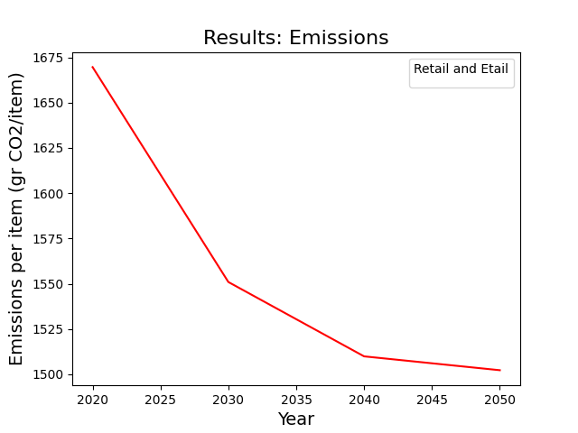
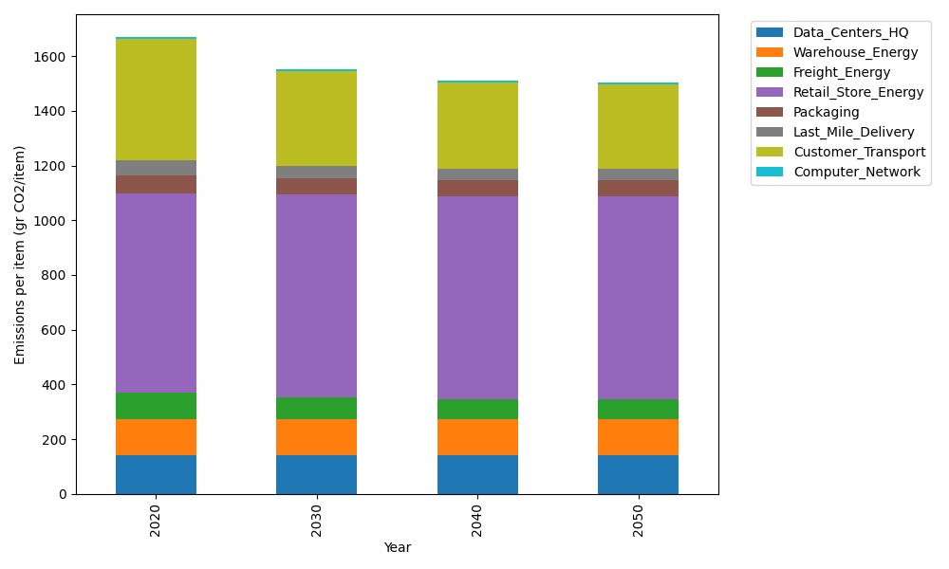
Years | Data_Centers_HQ | Warehouse_Energy | Freight_Energy | Retail_Store_Energy | Packaging | Last_Mile_Delivery | Customer_Transport | Computer_Network | Total
2020 | 140.16292196 | 133.95350967 | 96.239990217 | 728.33779281 | 65.80478211 | 56.225035907 | 441.60033144 | 7.2760911055 | 1669.6004552
2030 | 139.86238737 | 132.46818335 | 80.692525197 | 740.79373041 | 60.432054497 | 44.188292587 | 346.05426914 | 6.4584969942 | 1550.9499395
2040 | 139.81745266 | 132.24610343 | 73.796693121 | 742.65609131 | 59.628746215 | 40.795832476 | 314.62262442 | 6.336253663 | 1509.8997973
2050 | 139.85414783 | 132.42746125 | 72.830667863 | 741.13522567 | 60.284754383 | 41.066834255 | 308.21305443 | 6.4360816189 | 1502.2482273

